report
RATED DATA
Motor type | TGN2-0028-30-24
Winding number | 01-00740

Rated Speed | nn | 3000 | min-1
DC Bus Voltage | Udc | 24.0 | V
Nominal AC Voltage | Un | 17.0 | V
Rated Motor Voltage | Um | 11.0 | V
Rated Torque | Mn | 0.26 | Nm
Rated AC Current | In | 8.0 | A
Stall Torque | Mo | 0.28 | Nm
Stall AC Current | Io | 7.9 | A
Peak Torque | Mmax | 1.0 | Nm
Peak Current | Imax | 33 | A
Max. Speed | nmax | 12000 | min-1
EMF Constant | KE | 2.2 | V/1000
Torque Constant | KT | 0.04 | Nm/A
Terminal Resistance | R2ph | 0.43 | W
Terminal Inductance | L2ph | 0.42 | mH
Number of poles | 2p | 6

No Load Speed | no | 7660 | min-1
Torque at Imax/Un | Mz | 1.0 | Nm
Speed at Imax/Un | nz |  | min-1
Max. Torque at nn | Mx | 0.65 | Nm

El. Time Constant | Tel | 0.98 | ms
Mech. Time Constant | Tmech | 2.8 | ms
Thermal Time Constant | Tth | 10.0 | min
Rotor Inertia | J | 0.05 | kgcm2

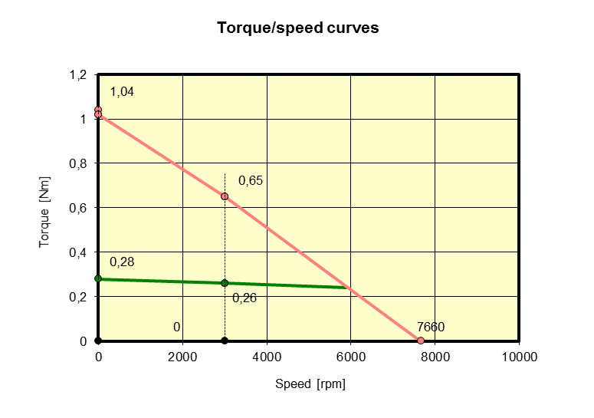

 |  | 2011-07-07

